Inverese Kinematics Calc
http://www.oliverjenkins.com/blog/2012/9/inverse-kinematics-and-robot-arms
http://www.learnaboutrobots.com/inverseKinematics.htm
https://www.circuitsathome.com/mcu/robotic-arm-inverse-kinematics-on-arduino
Github IK Discussion

θ1 = ATan(y / x) + ACos( (L12 - L22 + X2 + Y2) / (2 * L1 * B) )
θ2 = ACos ( (B2 - L12 - L22) / (2 * L1 * L2) )
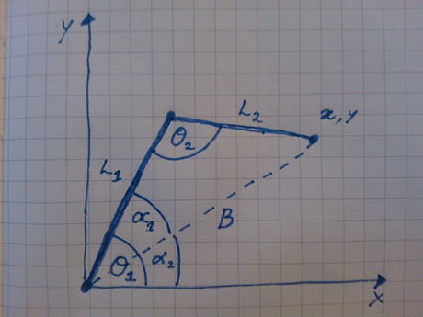

L1 | L2 | X | Y | B | θ1 | θ2
9.0 | 7.0 | 7.0 | 9.0 | 11.4 | 90.0 | 90.0
9.0 | 7.0 | 16.0 | 0.0 | 16.0 | 0.0 | 0.0
9.0 | 7.0 | 11.3137084 | 11.3137084 | 16.0 | 45.0 | 0.0
140.0 | 153.0 | 242.0 | 150.0 | 284.7 | 46.1 | 27.3

Sain Smart 4dof Arm
Z should always be on table. Bottom of robot arm is 102mm (4") below θ1 pivot point

L1 | L2 | Y | Z | B | θ1 | θ2 | Chart Data
140.0 | 153.0 | 160.0 | 50.0 | 167.6 | 76.2 | 110.4 | Y | Z
 |  |  |  |  |  |  | 0.0 | 0.0
 |  |  |  |  |  |  | 33.4 | 136.0
 |  |  |  |  |  |  | 160.0 | 50.0

Imperical Data
forearm | bicep | Y Distance | 2nd Order Error | 3rd Order Error
492 | 274 | 0.1 | 3.58 | -23.53
476 | 278 | 0.5 | 1.71 | -22.09 | y = 5E-06x3 - 0.0096x2 + 5.6185x - 738.44
465 | 281 | 1.1 | 1.80 | -20.13
441 | 283 | 2.1 | 0.64 | -18.13
425 | 285 | 3 | 2.97 | -14.25
406 | 281 | 4 | 1.88 | -13.86
387 | 275 | 5 | 1.54 | -12.94
369 | 267 | 6 | 1.43 | -11.86
352 | 258 | 7 | 2.14 | -9.86
 | bicep
492 | 274
476 | 278
465 | 281
441 | 283
425 | 285
406 | 281
387 | 275
369 | 267
352 | 258
331 | 245
310 | 222
331 | 245 | 8 | 4.17 | -5.82
310 | 222 | 8.75 | -0.44 | -7.69

